Task 1
Average |  | PFE | total revenue
$19,997,250,000 |  | year 1 | $54,657,000,000
$2,368,336,500 |  | year 2 | $51,584,000,000
$20,848,000,000 |  | year 3 | $49,605,000,000
$9,712,025,000 |  | year 4 | $48,851,000,000
$8,662,375,000
$19,608,250,000 |  | average | $51,174,250,000
$21,322,700,000 |  | median | $50,594,500,000
$43,258,750,000 |  | q1 | $49,039,500,000.00
$8,574,450,000 |  | q2 | $50,594,500,000.00
$51,174,250,000 |  | q3 | $53,888,750,000.00
$3,472,114,250 |  | min | $48,851,000,000
$1,087,942,000 |  | max | $54,657,000,000
$4,749,750,000

Average Total revenue of healthcare companies

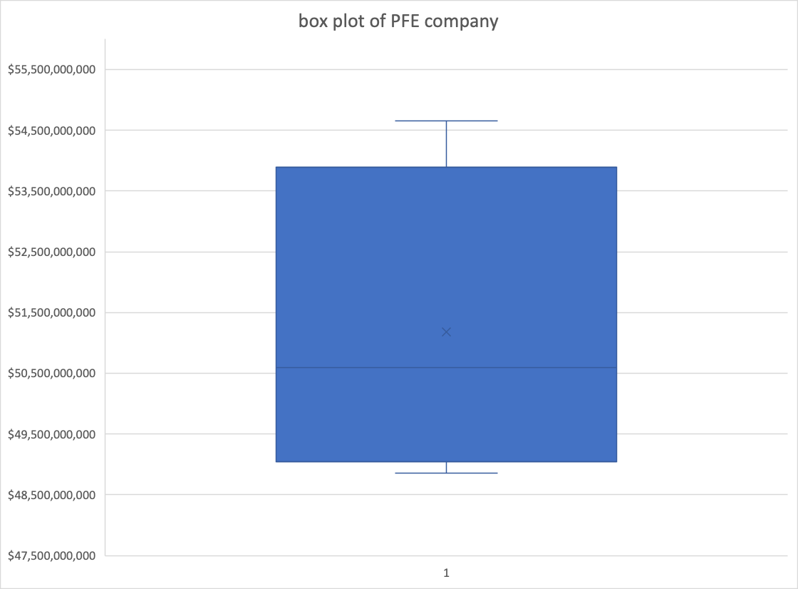

 | since boxplot in excel is better than google spreadsheets i mad one using excel and copied as picture in google spreadsheets

